DEC1204D22

HDFC FMP 1204D December 2022 (A CLOSE-ENDED INCOME SCHEME) |  |  |  |  |  |  |  |  |  | Income | Hybrid
Portfolio as on 31-Jul-2023

 | ISIN | Coupon (%) | Name Of the Instrument | Industry+ /Rating | Quantity | Market/ Fair Value (Rs. in Lacs.) | % to NAV | Yield | ~YTC (AT1/Tier 2 bonds)
 | DEBT INSTRUMENTS
 | (a) Listed / awaiting listing on Stock Exchanges
 | Government Securities (Central/State)
| | IN0020210012 | 5.63 | 5.63% GOI MAT 120426 | Sovereign | 4,500,000 | 4,337.55 | 93.12 | 7.2465
| | IN0020190016 | 7.27 | 7.27% GOI MAT 080426^ | Sovereign | 110,000 | 110.35 | 2.37 | 7.2579
| | IN000326C040 |  | GOI STRIPS - Mat 190326^ | Sovereign | 130,000 | 107.90 | 2.32 | 7.3308
 | Sub Total |  |  |  |  | 4,555.80 | 97.81
 | Total |  |  |  |  | 4,555.80 | 97.81
 | MONEY MARKET INSTRUMENTS
 | TREPS - Tri-party Repo
 |  |  | TREPS - Tri-party Repo |  |  | 21.06 | 0.45 | 6.3602
 | Sub Total |  |  |  |  | 21.06 | 0.45
 | Total |  |  |  |  | 21.06 | 0.45
 | OTHERS
 | Net Current Assets
 |  |  | Net Current Assets |  |  | 81.22 | 1.74
 | Sub Total |  |  |  |  | 81.22 | 1.74
 | Total |  |  |  |  | 81.22 | 1.74

 | Grand Total |  |  |  |  | 4,658.08 | 100.00
| | Top Ten Holdings
 | + Industry Classification as recommended by AMFI
 | £ - Sponsor Company
 | ** Thinly Traded/ Non-Traded Securities (Equity) as on July 31, 2023
 | ^ Non-Traded Securities (Debt) as on July 31, 2023
 | # Non Sensex Scrips
 | @ Less than 0.01%.
 | ~ YTC i.e. Yield to Call is disclosed at security level only for Additional Tier 1 Bonds and Tier 2 Bonds issued by Banks as per AMFI Best Practices Notification 135/BP/91/2020-21 read with SEBI circular SEBI/HO/IMD/DF4/CIR/P/2021/034

 | Portfolio Classification by Asset Class(%)
 | G-Sec, G-Sec STRIPS |  | 97.81
 | Cash, Cash Equivalents and Net Current Assets |  | 2.19
 | Portfolio Classification by Rating Class(%)
 | Sovereign |  | 97.81
 | Cash, Cash Equivalents and Net Current Assets |  | 2.19

 | Notes :
 | 1) NAV History
 | NAVs per unit (Rs.) | July 31, 2023 | June 30, 2023
 | IDCW Option | 10.4078 | 10.3698
 | IDCW Option - Direct Plan | 10.4232 | 10.3830
 | Quarterly IDCW Option | 10.1383 | 10.1013
 | Quarterly IDCW Option - Direct Plan | 10.1413 | 10.1021
 | Growth Option | 10.4078 | 10.3698
 | Growth Option - Direct Plan | 10.4232 | 10.3830

 | Dividend History - Dividend declared during the month ended July 31, 2023 : Nil

 | Bonus History - Bonus declared during the month ended July 31, 2023: Nil

 | 2) Total below investment grade or default provided for and its percentage to NAV : Nil
 | 3) Total investments in Foreign Securities / Overseas ETFs / ADRs / GDRs : Nil
 | 4) Repo in Corporate Debt : Nil
 | 5) Total outstanding exposure in Derivative Instruments as on Jul 31, 2023 : Nil
 | 6) Annualised Portfolio YTM : 7.24%
 | 7) Macaulay Duration : 906.62 Days
 | 8) Residual Maturity (Average Portfolio Maturity-other than equity investments) : 980.47 Days
 | 9) IDCW stands for Income Distribution cum Capital Withdrawal
 | 10) Riskometer based on Scheme Portfolio and Portfolio Benchmark "NIFTY Medium Duration Debt Index" as on Jul 31, 2023

 | Scheme Riskometer:
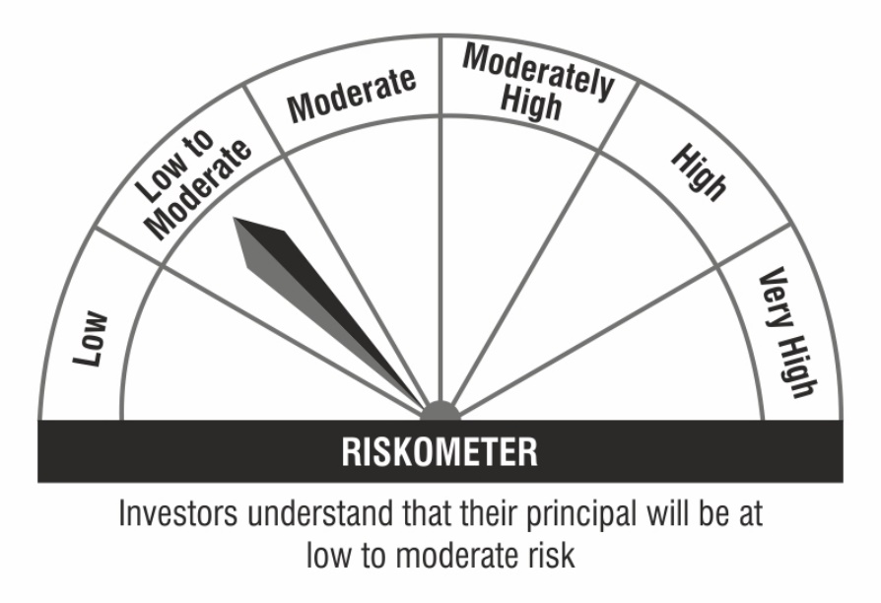

 | Benchmark Riskometer:

